LEASE vs BUY
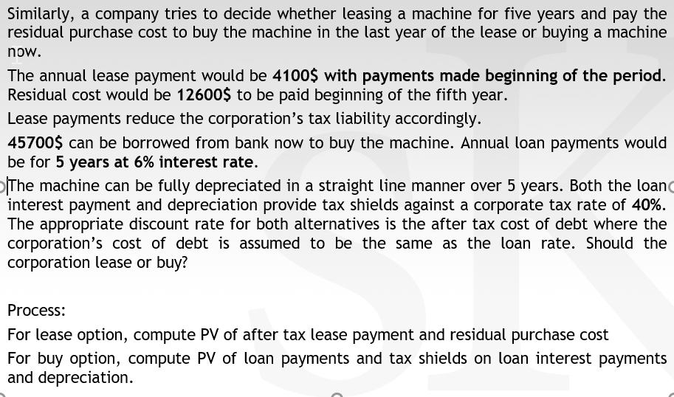
Try to solve this problem by yourself. If you really feel that you need help, click here: | Help!!! | SUMMARY

